Disclaimer


Alberta Energy Outlook ST98: 2023
Release Date: June 2023
Pipelines and Other Infrastructure – Statistics and Data

Copyright and Permission to Reproduce
Information on this file was produced and/or compiled by the Alberta Energy Regulator (AER) for the purpose of providing access to information regarding the energy resources of the province of Alberta.
Noncommercial or Educational Reproduction
Information on this file has been posted with the intent that it be readily available for personal and public noncommercial (educational) use. The information may be reproduced, in whole or in part and by any means, without charge or further permission from the AER. We ask only that users exercise due diligence to ensure the accuracy of the materials reproduced; the AER be identified as the source of the materials; and the reproduction not be presented as an official version of the AER material, or as having been made in affiliation with or with the endorsement of the AER.
Commercial Reproduction
Reproduction of multiple copies of materials on this file, in whole or in part, for the purposes of commercial redistribution is prohibited except with prior written permission from the AER. To obtain permission to reproduce materials on this file for commercial purposes please contact
AER Communications, Web Services:
Suite 1000, 250 – 5 Street SW
Calgary, Alberta T2P 0R4
Canada
Inquiries: 1-855-297-8311
Inquiries@aer.ca
Disclaimer
The information presented in this document is for general information purposes. It is believed to represent the best data available to the AER at this time but its accuracy is not guaranteed. The AER makes no representations, warranties, or guarantees, expressed or implied as to the accuracy, reliability, or currency of the information contained herein or that it will be suitable for any use. The AER accepts no responsibility whatsoever for any inaccuracy, error, or omissions in the information. The AER shall not be responsible for any losses or costs incurred by you or anyone else as a result of the use, conversion, publication, transmission, installation, or improvement of the information, even if such losses or costs are foreseeable. Any user intending to rely upon this information is advised to confirm both the accuracy of the information and whether a more recent version of the information is available.

Figure S8.1
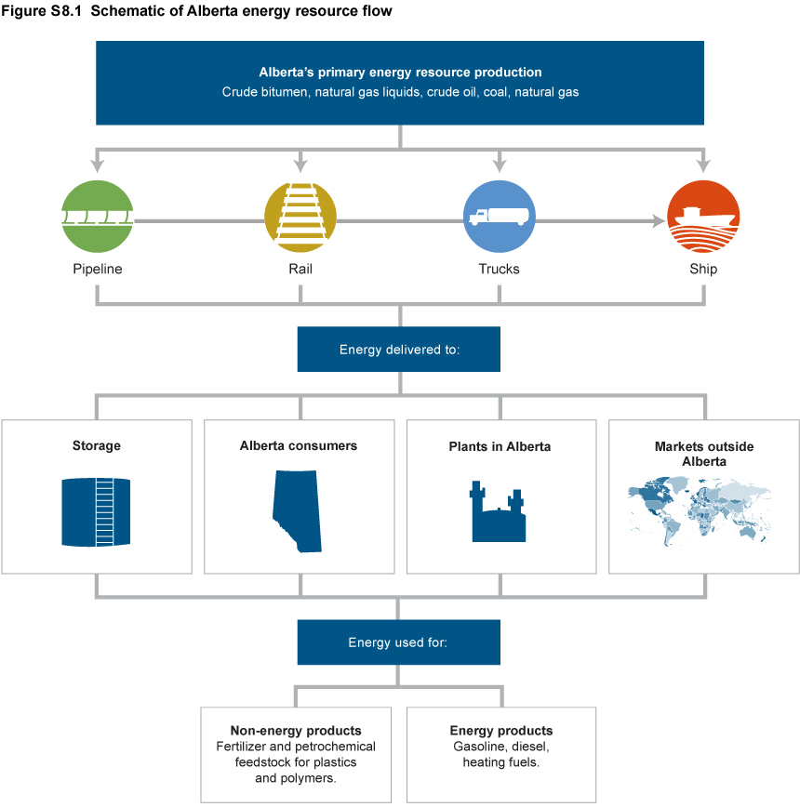

Figure S8.2
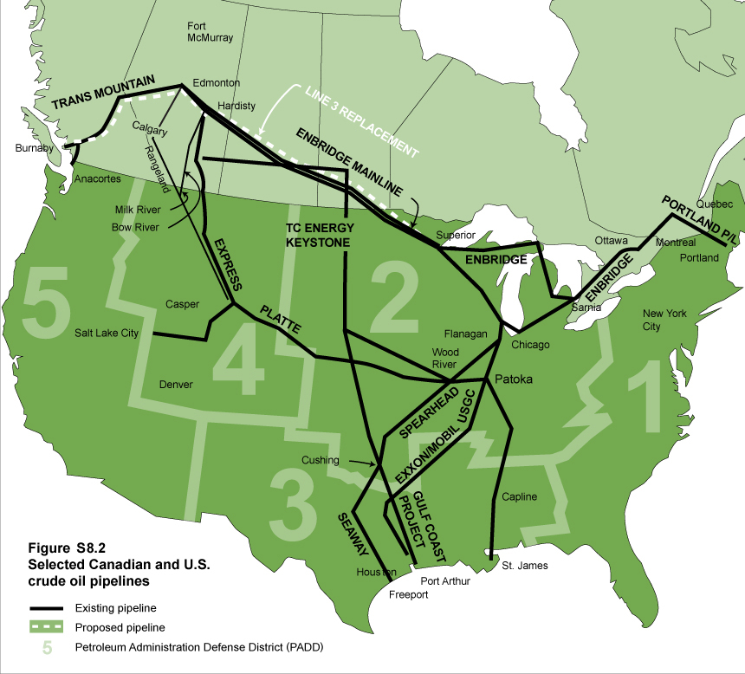

Figure S8.3
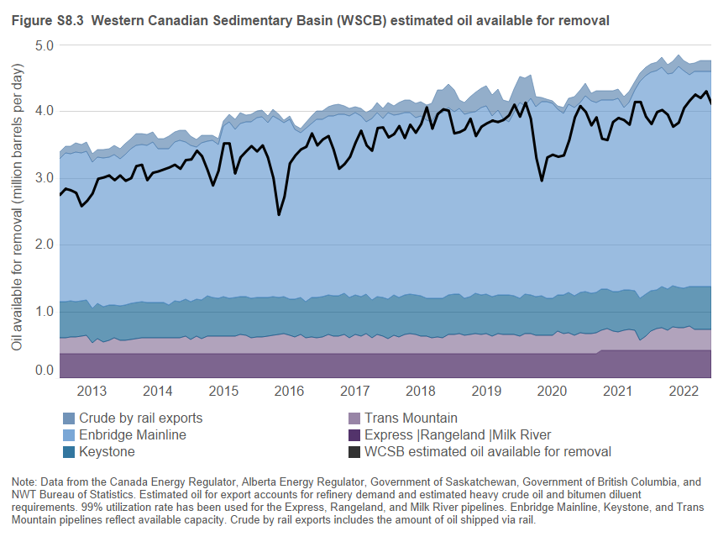

Figure S8.3
(million barrels per day)
 |  | Enbridge Mainline | Keystone | Trans Mountain | Express | Rangeland | Milk River | Crude by rail exports | WCSB estimated oil available for removal
2010 | Jan | 2.06 | 0.00 | 0.24 | 0.37 |  | 1.88
 | Feb | 2.04 | 0.00 | 0.25 | 0.37 |  | 2.03
 | Mar | 2.03 | 0.00 | 0.24 | 0.37 |  | 2.14
 | Apr | 2.04 | 0.00 | 0.25 | 0.37 |  | 2.08
 | May | 2.02 | 0.00 | 0.23 | 0.37 |  | 2.20
 | Jun | 2.03 | 0.00 | 0.28 | 0.37 |  | 2.14
 | Jul | 1.98 | 0.11 | 0.26 | 0.37 |  | 2.18
 | Aug | 1.95 | 0.10 | 0.26 | 0.37 |  | 2.14
 | Sep | 1.91 | 0.26 | 0.25 | 0.37 |  | 1.99
 | Oct | 2.31 | 0.25 | 0.26 | 0.37 |  | 2.17
 | Nov | 2.48 | 0.28 | 0.26 | 0.37 |  | 2.31
 | Dec | 2.33 | 0.22 | 0.24 | 0.37 |  | 2.26
2011 | Jan | 2.25 | 0.28 | 0.24 | 0.37 |  | 2.26
 | Feb | 2.23 | 0.43 | 0.23 | 0.37 |  | 2.32
 | Mar | 2.19 | 0.47 | 0.26 | 0.37 |  | 2.22
 | Apr | 2.23 | 0.45 | 0.28 | 0.37 |  | 2.26
 | May | 2.27 | 0.47 | 0.25 | 0.37 |  | 2.07
 | Jun | 2.20 | 0.43 | 0.20 | 0.37 |  | 2.12
 | Jul | 2.09 | 0.42 | 0.20 | 0.37 |  | 2.31
 | Aug | 2.08 | 0.40 | 0.20 | 0.37 |  | 2.42
 | Sep | 2.03 | 0.49 | 0.21 | 0.37 |  | 2.35
 | Oct | 2.17 | 0.50 | 0.23 | 0.37 |  | 2.43
 | Nov | 2.17 | 0.52 | 0.23 | 0.37 |  | 2.44
 | Dec | 2.13 | 0.51 | 0.18 | 0.37 |  | 2.57
2012 | Jan | 2.27 | 0.54 | 0.20 | 0.37 | 0.01 | 2.57
 | Feb | 2.23 | 0.54 | 0.21 | 0.37 | 0.02 | 2.63
 | Mar | 2.15 | 0.54 | 0.23 | 0.37 | 0.02 | 2.52
 | Apr | 2.27 | 0.50 | 0.26 | 0.37 | 0.03 | 2.56
 | May | 2.25 | 0.53 | 0.25 | 0.37 | 0.03 | 2.61
 | Jun | 2.18 | 0.54 | 0.26 | 0.37 | 0.03 | 2.64
 | Jul | 2.17 | 0.54 | 0.24 | 0.37 | 0.05 | 2.69
 | Aug | 2.09 | 0.54 | 0.25 | 0.37 | 0.05 | 2.74
 | Sep | 2.08 | 0.53 | 0.24 | 0.37 | 0.07 | 2.63
 | Oct | 1.99 | 0.53 | 0.22 | 0.37 | 0.06 | 2.67
 | Nov | 1.99 | 0.50 | 0.23 | 0.37 | 0.06 | 2.76
 | Dec | 2.12 | 0.53 | 0.23 | 0.37 | 0.12 | 2.84
2013 | Jan | 2.14 | 0.54 | 0.23 | 0.37 | 0.10 | 2.75
 | Feb | 2.22 | 0.55 | 0.23 | 0.37 | 0.10 | 2.84
 | Mar | 2.20 | 0.54 | 0.25 | 0.37 | 0.11 | 2.82
 | Apr | 2.24 | 0.53 | 0.25 | 0.37 | 0.13 | 2.78
 | May | 2.21 | 0.53 | 0.26 | 0.37 | 0.13 | 2.58
 | Jun | 2.23 | 0.53 | 0.27 | 0.37 | 0.14 | 2.66
 | Jul | 2.19 | 0.51 | 0.16 | 0.37 | 0.13 | 2.77
 | Aug | 2.19 | 0.53 | 0.22 | 0.37 | 0.11 | 2.99
 | Sep | 2.23 | 0.53 | 0.17 | 0.37 | 0.12 | 3.01
 | Oct | 2.21 | 0.53 | 0.20 | 0.37 | 0.13 | 3.04
 | Nov | 2.24 | 0.49 | 0.24 | 0.37 | 0.15 | 2.97
 | Dec | 2.20 | 0.52 | 0.19 | 0.37 | 0.16 | 3.04
2014 | Jan | 2.25 | 0.53 | 0.20 | 0.37 | 0.16 | 2.96
 | Feb | 2.31 | 0.54 | 0.21 | 0.37 | 0.16 | 3.00
 | Mar | 2.36 | 0.54 | 0.22 | 0.37 | 0.17 | 3.18
 | Apr | 2.36 | 0.53 | 0.24 | 0.37 | 0.16 | 3.20
 | May | 2.36 | 0.53 | 0.23 | 0.37 | 0.16 | 2.97
 | Jun | 2.41 | 0.53 | 0.23 | 0.37 | 0.15 | 3.08
 | Jul | 2.30 | 0.53 | 0.23 | 0.37 | 0.16 | 3.10
 | Aug | 2.30 | 0.53 | 0.23 | 0.37 | 0.16 | 3.13
 | Sep | 2.34 | 0.50 | 0.23 | 0.37 | 0.18 | 3.16
 | Oct | 2.38 | 0.55 | 0.24 | 0.37 | 0.15 | 3.20
 | Nov | 2.41 | 0.55 | 0.23 | 0.37 | 0.15 | 3.14
 | Dec | 2.35 | 0.55 | 0.26 | 0.37 | 0.18 | 3.27
2015 | Jan | 2.35 | 0.56 | 0.21 | 0.37 | 0.13 | 3.28
 | Feb | 2.28 | 0.55 | 0.26 | 0.37 | 0.11 | 3.41
 | Mar | 2.35 | 0.58 | 0.22 | 0.37 | 0.12 | 3.33
 | Apr | 2.32 | 0.60 | 0.26 | 0.37 | 0.09 | 3.12
 | May | 2.35 | 0.58 | 0.26 | 0.37 | 0.08 | 2.89
 | Jun | 2.31 | 0.56 | 0.26 | 0.37 | 0.08 | 3.11
 | Jul | 2.55 | 0.59 | 0.26 | 0.37 | 0.08 | 3.52
 | Aug | 2.64 | 0.57 | 0.26 | 0.37 | 0.11 | 3.52
 | Sep | 2.51 | 0.58 | 0.26 | 0.37 | 0.16 | 3.07
 | Oct | 2.59 | 0.57 | 0.28 | 0.37 | 0.17 | 3.31
 | Nov | 2.62 | 0.58 | 0.27 | 0.37 | 0.10 | 3.40
 | Dec | 2.65 | 0.59 | 0.23 | 0.37 | 0.11 | 3.48
2016 | Jan | 2.69 | 0.59 | 0.25 | 0.37 | 0.10 | 3.40
 | Feb | 2.70 | 0.59 | 0.25 | 0.37 | 0.10 | 3.49
 | Mar | 2.61 | 0.58 | 0.26 | 0.37 | 0.10 | 3.31
 | Apr | 2.70 | 0.58 | 0.27 | 0.37 | 0.11 | 3.00
 | May | 2.67 | 0.55 | 0.29 | 0.37 | 0.07 | 2.45
 | Jun | 2.60 | 0.55 | 0.30 | 0.37 | 0.04 | 2.72
 | Jul | 2.69 | 0.54 | 0.27 | 0.37 | 0.05 | 3.22
 | Aug | 2.54 | 0.56 | 0.25 | 0.37 | 0.07 | 3.34
 | Sep | 2.46 | 0.56 | 0.28 | 0.37 | 0.07 | 3.43
 | Oct | 2.58 | 0.55 | 0.23 | 0.37 | 0.10 | 3.47
 | Nov | 2.60 | 0.59 | 0.25 | 0.37 | 0.12 | 3.67
 | Dec | 2.66 | 0.60 | 0.24 | 0.37 | 0.13 | 3.49
2017 | Jan | 2.66 | 0.60 | 0.25 | 0.37 | 0.12 | 3.58
 | Feb | 2.69 | 0.58 | 0.29 | 0.37 | 0.13 | 3.63
 | Mar | 2.70 | 0.60 | 0.26 | 0.37 | 0.16 | 3.43
 | Apr | 2.72 | 0.60 | 0.26 | 0.37 | 0.15 | 3.14
 | May | 2.68 | 0.61 | 0.29 | 0.37 | 0.13 | 3.21
 | Jun | 2.72 | 0.60 | 0.24 | 0.37 | 0.11 | 3.32
 | Jul | 2.73 | 0.59 | 0.28 | 0.37 | 0.09 | 3.53
 | Aug | 2.70 | 0.59 | 0.26 | 0.37 | 0.12 | 3.71
 | Sep | 2.58 | 0.59 | 0.30 | 0.37 | 0.13 | 3.49
 | Oct | 2.72 | 0.57 | 0.23 | 0.37 | 0.14 | 3.41
 | Nov | 2.76 | 0.57 | 0.28 | 0.37 | 0.15 | 3.75
 | Dec | 2.68 | 0.58 | 0.26 | 0.37 | 0.15 | 3.76
2018 | Jan | 2.80 | 0.59 | 0.22 | 0.37 | 0.15 | 3.61
 | Feb | 2.70 | 0.60 | 0.27 | 0.37 | 0.13 | 3.66
 | Mar | 2.74 | 0.59 | 0.25 | 0.37 | 0.17 | 3.78
 | Apr | 2.72 | 0.60 | 0.28 | 0.37 | 0.19 | 3.60
 | May | 2.71 | 0.59 | 0.30 | 0.37 | 0.20 | 3.80
 | Jun | 2.65 | 0.60 | 0.28 | 0.37 | 0.21 | 3.68
 | Jul | 2.70 | 0.60 | 0.26 | 0.37 | 0.21 | 3.81
 | Aug | 2.67 | 0.56 | 0.26 | 0.37 | 0.23 | 4.06
 | Sep | 2.65 | 0.58 | 0.24 | 0.37 | 0.27 | 3.74
 | Oct | 2.78 | 0.58 | 0.25 | 0.37 | 0.34 | 3.96
 | Nov | 2.79 | 0.59 | 0.23 | 0.37 | 0.33 | 4.03
 | Dec | 2.81 | 0.59 | 0.28 | 0.37 | 0.35 | 4.01
2019 | Jan | 2.73 | 0.60 | 0.29 | 0.37 | 0.33 | 3.67
 | Feb | 2.78 | 0.59 | 0.30 | 0.37 | 0.13 | 3.69
 | Mar | 2.75 | 0.56 | 0.27 | 0.37 | 0.17 | 3.73
 | Apr | 2.76 | 0.57 | 0.28 | 0.37 | 0.23 | 3.89
 | May | 2.72 | 0.60 | 0.30 | 0.37 | 0.29 | 3.63
 | Jun | 2.81 | 0.59 | 0.28 | 0.37 | 0.29 | 3.77
 | Jul | 2.81 | 0.59 | 0.30 | 0.37 | 0.31 | 3.82
 | Aug | 2.71 | 0.59 | 0.26 | 0.37 | 0.31 | 3.86
 | Sep | 2.77 | 0.57 | 0.30 | 0.37 | 0.32 | 3.84
 | Oct | 2.64 | 0.60 | 0.28 | 0.37 | 0.27 | 3.87
 | Nov | 2.60 | 0.58 | 0.29 | 0.37 | 0.30 | 3.94
 | Dec | 2.75 | 0.57 | 0.29 | 0.37 | 0.35 | 4.10
2020 | Jan | 2.92 | 0.57 | 0.26 | 0.37 | 0.40 | 3.92
 | Feb | 2.82 | 0.59 | 0.30 | 0.37 | 0.41 | 4.13
 | Mar | 2.94 | 0.58 | 0.30 | 0.37 | 0.35 | 3.89
 | Apr | 2.84 | 0.58 | 0.27 | 0.37 | 0.16 | 3.30
 | May | 2.91 | 0.59 | 0.27 | 0.37 | 0.06 | 2.96
 | Jun | 2.94 | 0.56 | 0.27 | 0.37 | 0.04 | 3.31
 | Jul | 2.92 | 0.55 | 0.27 | 0.37 | 0.04 | 3.35
 | Aug | 2.77 | 0.55 | 0.33 | 0.37 | 0.05 | 3.32
 | Sep | 2.72 | 0.57 | 0.30 | 0.37 | 0.09 | 3.34
 | Oct | 2.82 | 0.60 | 0.31 | 0.37 | 0.09 | 3.57
 | Nov | 2.82 | 0.59 | 0.27 | 0.37 | 0.17 | 3.91
 | Dec | 2.85 | 0.60 | 0.31 | 0.37 | 0.19 | 4.08
2021 | Jan | 2.94 | 0.62 | 0.30 | 0.37 | 0.19 | 3.99
 | Feb | 2.88 | 0.60 | 0.30 | 0.37 | 0.11 | 3.79
 | Mar | 2.84 | 0.60 | 0.31 | 0.37 | 0.18 | 3.91
 | Apr | 2.84 | 0.61 | 0.30 | 0.42 | 0.13 | 3.59
 | May | 2.84 | 0.59 | 0.32 | 0.42 | 0.13 | 3.57
 | Jun | 2.88 | 0.58 | 0.29 | 0.42 | 0.13 | 3.84
 | Jul | 2.89 | 0.61 | 0.27 | 0.42 | 0.14 | 3.90
 | Aug | 2.73 | 0.60 | 0.30 | 0.42 | 0.17 | 3.87
 | Sep | 2.81 | 0.59 | 0.31 | 0.42 | 0.16 | 3.80
 | Oct | 3.00 | 0.59 | 0.30 | 0.42 | 0.13 | 4.14
 | Nov | 3.25 | 0.62 | 0.15 | 0.42 | 0.13 | 4.14
 | Dec | 3.27 | 0.63 | 0.21 | 0.42 | 0.13 | 3.92
2022 | Jan | 3.27 | 0.61 | 0.28 | 0.42 | 0.13 | 3.81
 | Feb | 3.29 | 0.58 | 0.32 | 0.42 | 0.12 | 3.99
 | Mar | 3.28 | 0.61 | 0.34 | 0.42 | 0.15 | 4.02
 | Apr | 3.22 | 0.61 | 0.30 | 0.42 | 0.14 | 3.95
 | May | 3.19 | 0.61 | 0.35 | 0.42 | 0.17 | 3.77
 | Jun | 3.31 | 0.60 | 0.34 | 0.42 | 0.17 | 3.83
 | Jul | 3.27 | 0.59 | 0.33 | 0.42 | 0.15 | 4.05
 | Aug | 3.17 | 0.59 | 0.36 | 0.42 | 0.16 | 4.16
 | Sep | 3.22 | 0.64 | 0.31 | 0.42 | 0.13 | 4.25
 | Oct | 3.22 | 0.64 | 0.31 | 0.42 | 0.16 | 4.20
 | Nov | 3.22 | 0.64 | 0.31 | 0.42 | 0.16 | 4.30
 | Dec | 3.22 | 0.64 | 0.31 | 0.42 | 0.16 | 4.11
Data from the Canada Energy Regulator, Alberta Energy Regulator, Government of Saskatchewan, Government of British Columbia, NWT, and Bureau of Statistics.
Estimated oil for export accounts for refinery demand and estimated heavy crude oil and bitumen diluent requirements.
99% utilization rate has been used for the Express, Rangeland and Milk River pipelines. Enbridge Mainline, Keystone, and Trans Mountain pipelines reflect available capacity.
Crude by rail exports includes the amount of oil shipped via rail.

Figure S8.4
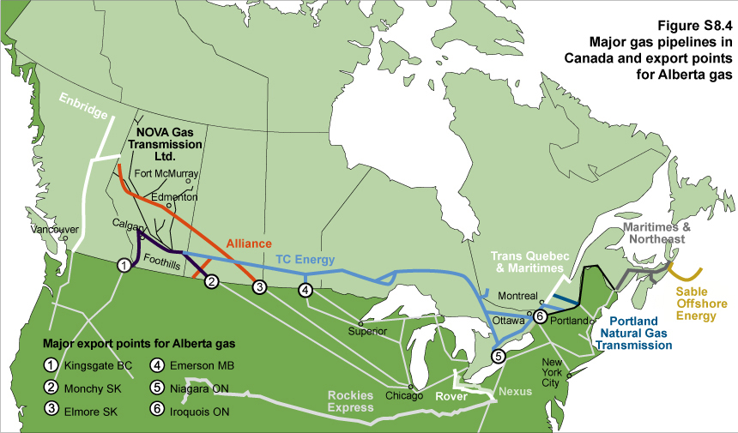

Figure S8.5
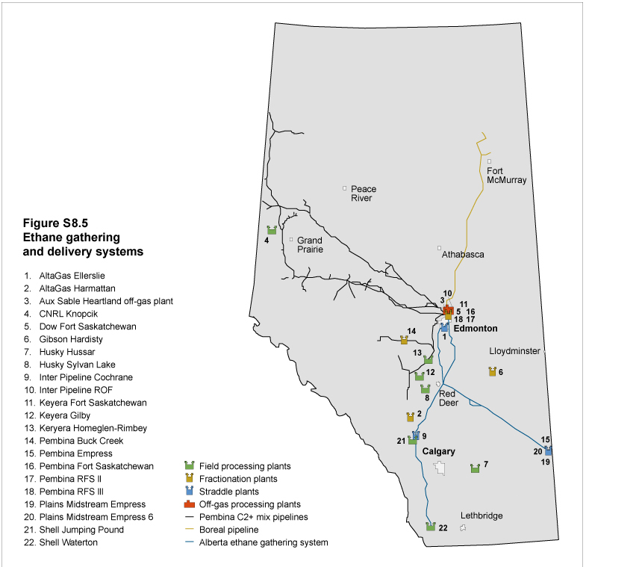

Figure S8.6
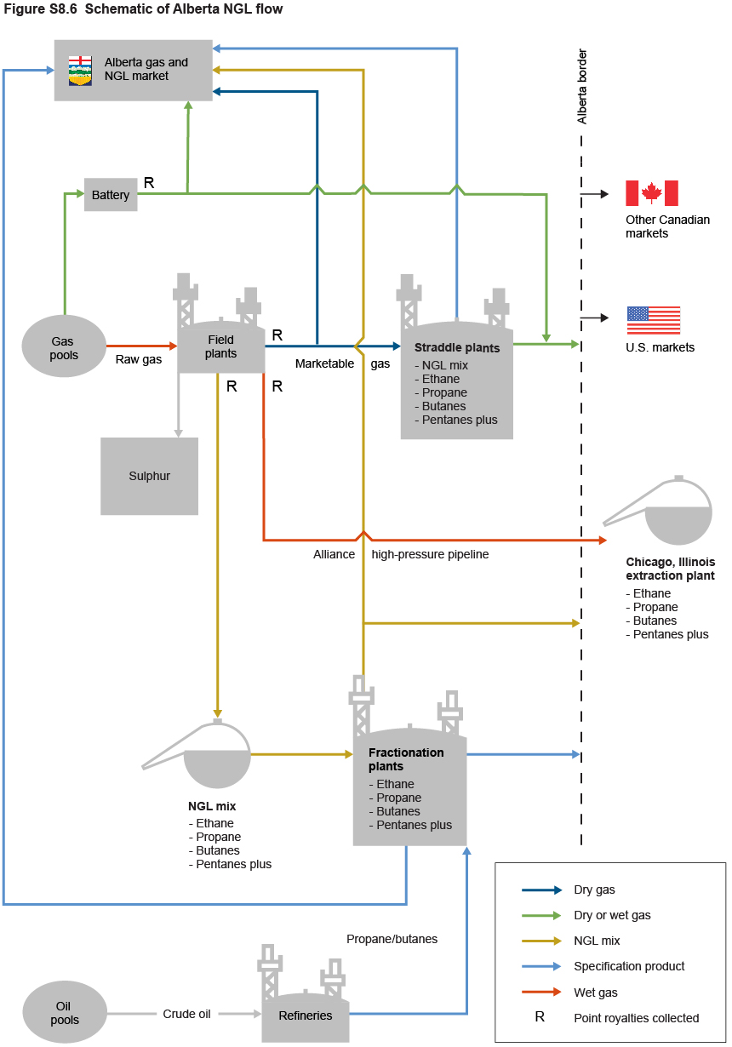

Figure S8.7
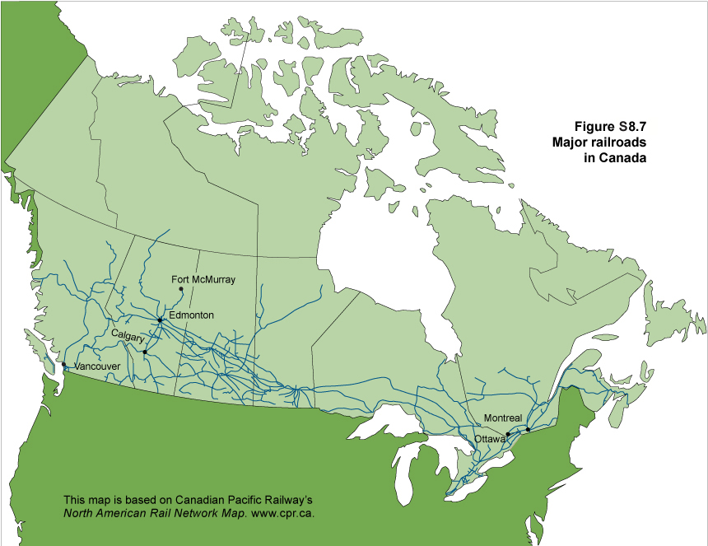

Figure S8.8
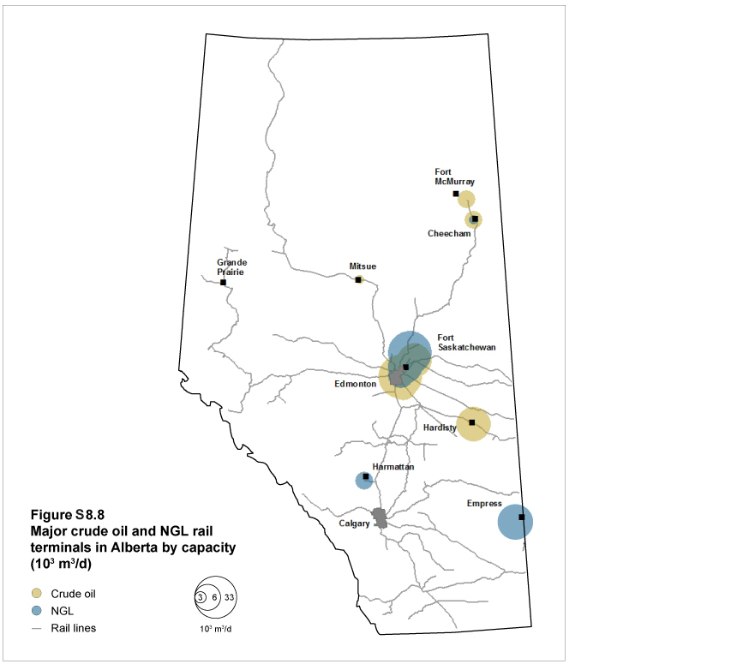

Figure S8.9
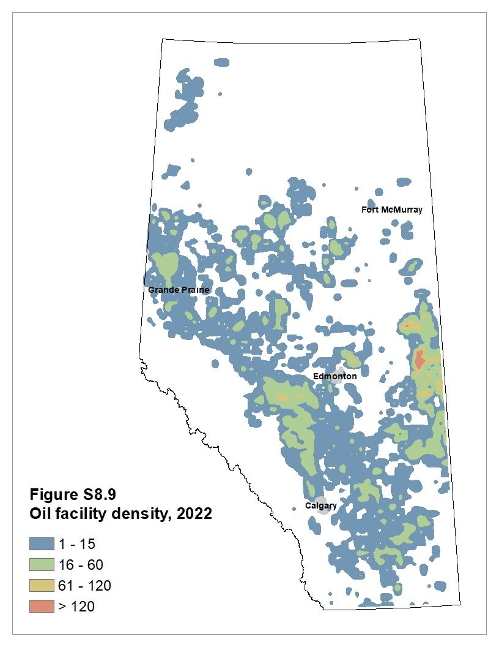

Figure S8.10
